Sheet1
nonpolar

glycine (Gly, G) | alanine (Ala, A) | valine (Val, V)
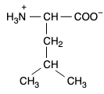 | 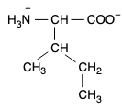 | 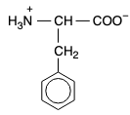
leucine (Leu, L) | isoleucine (Ile, I) | phenylalanine (Phe, F)
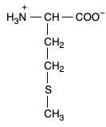 |  | 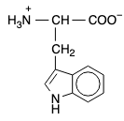
methionine (Met, M) | proline (Pro, P) | tryptophan (Trp, W)
polar neutral
 |  | 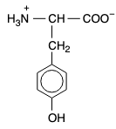
serine (Ser, S) | threonine (Thr, T) | tyrosine (Tyr, Y)
 | 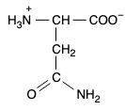 | 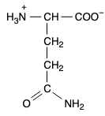
cysteine (Cys, C) | asparagine (Asn, N) | glutamine (Gln, Q)
acidic
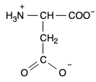 | 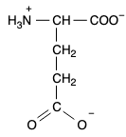
aspartate (Asp, D) | glutamate (Glu, E)
basic
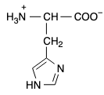 | 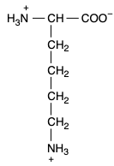 | 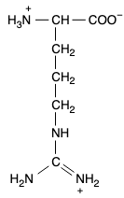
histidine (His, H) | lysine (Lys, K) | arginine (Arg, R)

